Checked Items (Ref.)
CAL Checked Items and Effort Estimation

Item | Activity / Checked Item | Check from | Effort Time (Min) | Comment
1 | Check com-ACT_LDCM_DEVICE (MSISDN, IMSI) | Dynamo DB | 2 | Mandatory Checked Items to Define Device Broken or not. | Informaion to define Device Broken (~ 35 min) | Information require for Device Replacement (~70 min)
2 | Check com-LOCATION | Dynamo DB | 1
3 | Check GENERAL_SERVICE (+ - 3 days form last data) | Cloud Watch Log | 30
4 | Check DEVICE_ABNORMAL (4 Month from present) | Cloud Watch Log
5 | Check PARAMETER_CONFIGURATION (+ - 3 days form last data) | Cloud Watch Log
6 | Check NOTIFY_SPECIAL_MODE (4 Month from present) | Cloud Watch Log
7 | Check Connection (Last 7 days Carrier Signal) | Carrier | 1
8 | Check Carrier Portal (Carrier Description) | Carrier | 1

9 | Open Case to Carrier (To confirm eSIM problem) | Carrier | 5 | Incident opening time (exclude Carrier respond time)
10 | Check DEALER WARNING (+ - 3 days form last data) | Cloud Watch Log | 15 | Supported Information
11 | Check com-TRACKING_LOCATION | Dynamo DB | 1 | Supported Information
12 | Check com-IG_ON | Dynamo DB | 1 | Supported Information
13 | Check com-IG_OFF | Dynamo DB | 1 | Supported Information
14 | Check com-LATEST_VEHICLE_STATUS | Dynamo DB | 1 | Supported Information
15 | Check com-OPERATION_SERVICE_CONFIGURATION | Dynamo DB | 1 | Supported Information
16 | Check com-DEVICE_ABNORMAL | Dynamo DB | 2 | Supported Information
17 | Check FMC Location Information (Web) | Web Appl. | 2 | Supported Information by SC
18 | Check Vehicle Infor. | Web Appl. | 2 | Supported Information by SC
19 | Check com-ACT_SIM_PACKAGE (SIM Package) | Dynamo DB | 1 | Supported Information (Optional)
20 | Check com-TRIP | Dynamo DB | 1 | Supported Information (Optional)
21 | Check com-ACCIDENT | Dynamo DB | 1 | Supported Information (Optional)
22 | Check com-PHYD | Dynamo DB | 1 | Supported Information (Optional)
23 | Complete incident form and ticket in JIRA | Doc. / Web Appl. | 10 | To complete the incident ticket in JIRA

To check device broken (system inquiry, no document creation), 1 VIN require ~ 35 min. by checking item No. 1 - 8. To create analysis report (system inquiry and document creation), for simple case 1 VIN require ~ 70 min. by checking item No. 1 - 22.

 |  |  | Snap Data | 12
 |  |  | Logs Data | 5
 |  |  | External Data | 4

Login, Main, Setting Page
ITO Tool should be developed as a Web Application, for flexibility use.

ITO Tool first page
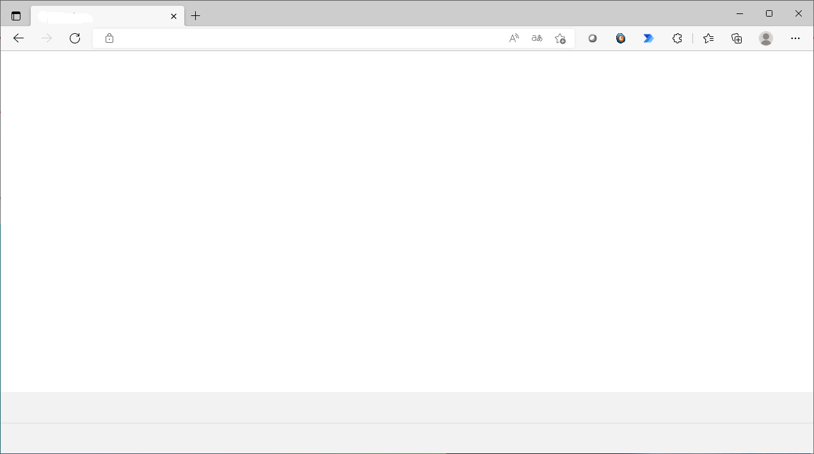

ITOP Tool

Login Name

Password

Role

Administrator
User

Login

Forgot Password

After login completely, the next page is depend on role

If you select User role, the next page will be main page
Propose: This is main page that show overall information about number of vehicle, number of impacted vehicle, etc.

ITOP Tool

Login: xxxxx
Login Time:
Main menu
Single Serach
Mutiple Search
Reporting
Raw log
My Queue
Log out
Total LDCM Vehicle as of xx xxx xxxx: 2xx,xxx vehicles
Total CAL Lost Communication as of dd/mm/yyyy : 1,xxx vehicles

1
Search

Reporting
3
RAW log
4

Menu
- General user accss My Queue - Administrator access Queue Manager
My Queue
3.2 , 3.3

Main menu
Single Serach
Mutiple Search
Reporting
Raw log
Queue Manager
Log out

Queue Manager

1. Search
Serach
ITOP Tool
Search

Serach
Login: xxxxx
Login Time:
Main menu
Single Serach
Mutiple Search
Recent job
Queue
Log out
•
Single Serach
Mutiple search

Input VIN
Input VIN

Default Tme Range
Customize

⁄
Report
GENERAL_SERVICE
⁄
DEVICE_ABNORMAL
⁄
PARAMETER_CONFIGURATION

NOTIFY_SPECIAL_MODE
DEALER WARNING
Error !
VIN MRG00001000xx Not found or Invalid
OK

Validate data and have pop up warning when not data not found or invalid

Login: xxxxx
Login Time:
Main menu
Single Serach
Mutiple Search
Reporting
Raw log
My Queue
Log out
ITOP Tool

External data can be attached

Report
Carrier / T-connect
GENERAL_SERVICE
DEVICE_ABNORMAL
PARAMETER_CONFIGURATION
NOTIFY_SPECIAL_MODE
DEALER WARNING

Browse
Connection (Last 7 days Carrier Signal) *
7days_connection.jpg X
carrier_description.jpg X
carrier_acitvity.jpg X
Please use file not over 3 mb.
Carrier data attached
Carrier Portal (Carrier Description) *
Case to Carrier (To confirm eSIM problem) *
Browse
Browse
Attached
T-Connect attached
Browse
FMC Location Information (Web) *
Browse
Vehicle Information *
VINxxx_FMC.jpg X
VINxxx_Info.jpg X
Attached

Create report

Go to Report (3.1)

1.1 Retrieve Snap Short
-Select-
- Select -
VIN
DeviceID
IMSI
IMEI
-Select-

Login: xxxxx
Login Time:
Main menu
Single Serach
Mutiple Search
Recent job
Queue
Log out
•
Single Serach
Mutiple search

Input VIN

Default Tme Range
Customize

⁄
Report * default

GENERAL_SERVICE
DEVICE_ABNORMAL
PARAMETER_CONFIGURATION

NOTIFY_SPECIAL_MODE
DEALER WARNING

et The Snap data

When Click Search the snap data and default log will be open
ITOP Tool

Input VIN
Search

Login: xxxxx
Login Time:
Main menu
Single Serach
Mutiple Search
Recent job
Queue
Log out
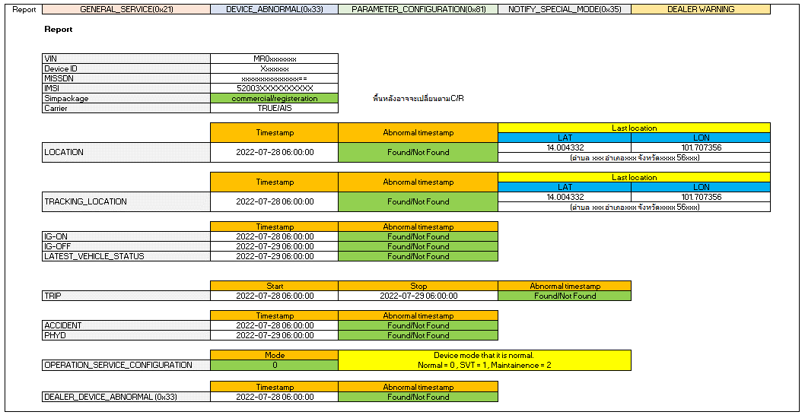
Snap Report
Request ID: xxxxxxxxxxx

Gen Log

Serach
Login: xxxxx
Login Time:
Main menu
Single Serach
Mutiple Search
Recent job
Queue
Log out

Input VIN : MRG00000xxxx
Default Tme Range
Customize

⁄
Report
GENERAL_SERVICE

Select the log data
⁄
DEVICE_ABNORMAL
⁄
PARAMETER_CONFIGURATION

NOTIFY_SPECIAL_MODE
DEALER WARNING

Go to Reporting (2.)

Create report

Go to Report (3.1)

1.1 Single Search (2)
ITOP Tool
Search

-Select-
- Select -
VIN
DeviceID
IMSI
IMEI

Login: xxxxx
Login Time:
Main menu
Single Serach
Mutiple Search
Recent job
Queue
Log out
•
Single Serach
Mutiple search

Input VIN

Default Tme Range
Customize

⁄
Report * default

GENERAL_SERVICE
DEVICE_ABNORMAL
PARAMETER_CONFIGURATION

NOTIFY_SPECIAL_MODE
DEALER WARNING

Get The Snap data

When Click Search the snap data and default log will be open
ITOP Tool

Login: xxxxx
Login Time:
Main menu
Single Serach
Mutiple Search
Recent job
Queue
Log out
Snap Report
Request ID: xxxxxxxxxxx

Serach
Login: xxxxx
Login Time:
Main menu
Single Serach
Mutiple Search
Recent job
Queue
Log out

Input VIN : MRG00000xxxx
Default Tme Range
Customize

⁄
Report
GENERAL_SERVICE

Select the log data
⁄
DEVICE_ABNORMAL
⁄
PARAMETER_CONFIGURATION

NOTIFY_SPECIAL_MODE
DEALER WARNING

Go to Reporting (2.)

Create report

Go to Report (3.1)

1.2 Generate Report
ITOP Tool
Gen Log Data

-Select-
- Select -
VIN
DeviceID
IMSI
IMEI

Serach
Login: xxxxx
Login Time:
Main menu
Single Serach
Mutiple Search
Recent job
Queue
Log out
Single Serach
•
Mutiple search
1. Input the variables block by ",".

Input VIN1, VIN2, VIN3, ...

Default Tme Range
•
Customize
Disable to use when serach mutiple.
Allow when come from Snap Report
Report

GENERAL_SERVICE
⁄
DEVICE_ABNORMAL

⁄
PARAMETER_CONFIGURATION
NOTIFY_SPECIAL_MODE

DEALER WARNING

Select log

Go to Reporting (2.)

2. Queue
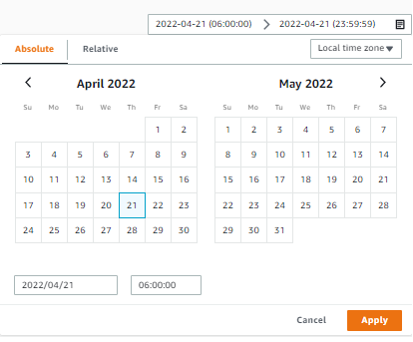

Report Status
1. Complete
2. On Process
3. On Queue
4. Fail
Popup calendar

Administrator can be change Piority
Search the report

Status
-select-
Request date
Search
User
user
Vin Number
vin

Single Search
Request ID | Request Timestamp | Priority | User | VIN | Job ID | Log Name | Period from | Period to | Status | Management
Jajah_RTimeSTMP | dd/mm/yyyy hh:mm:ss | 1 | Jajah | MRG00xxxxxxxx | xxx_0001 | Report | dd/mm/yyyy hh:mm:ss | dd/mm/yyyy hh:mm:ss | Complete | On Process
 |  |  |  |  | xxx_0002 | Genneral service | dd/mm/yyyy hh:mm:ss | dd/mm/yyyy hh:mm:ss | On process
Link to Snap data page (1.1)
Admin can be cancel reuest
 |  |  |  |  | xxx_0003 | DEVICE_ABNORMAL | dd/mm/yyyy hh:mm:ss | dd/mm/yyyy hh:mm:ss | On process
 |  |  |  |  | xxx_0004 | PARAMETER_CONFIGURATION | dd/mm/yyyy hh:mm:ss | dd/mm/yyyy hh:mm:ss | On process
 |  |  |  |  | xxx_0005 | NOTIFY_SPECIAL_MODE | dd/mm/yyyy hh:mm:ss | dd/mm/yyyy hh:mm:ss | On process
 |  |  |  |  | xxx_0006 | DEALER WARNING | dd/mm/yyyy hh:mm:ss | dd/mm/yyyy hh:mm:ss | On process
Multiple Search
Samran_RTimeSTMP | dd/mm/yyyy hh:mm:ss | 2 | Samran | MRG00xxxxxxxx1 | xxx_0007 | Report | dd/mm/yyyy hh:mm:ss | dd/mm/yyyy hh:mm:ss | - | Complete
 |  |  |  |  | xxx_0008 | Genneral service | dd/mm/yyyy hh:mm:ss | dd/mm/yyyy hh:mm:ss | -
 |  |  |  |  | xxx_0009 | DEVICE_ABNORMAL | dd/mm/yyyy hh:mm:ss | dd/mm/yyyy hh:mm:ss | Complete
Report Status
1. Complete -> download link.
2. On Process
3. On Queue
5. Fail
5. - (Not search or No result) (or Not show?)
 |  |  |  |  | xxx_0010 | PARAMETER_CONFIGURATION | dd/mm/yyyy hh:mm:ss | dd/mm/yyyy hh:mm:ss | -
 |  |  |  |  | xxx_0011 | NOTIFY_SPECIAL_MODE | dd/mm/yyyy hh:mm:ss | dd/mm/yyyy hh:mm:ss | -
 |  |  |  |  | xxx_0012 | DEALER WARNING | dd/mm/yyyy hh:mm:ss | dd/mm/yyyy hh:mm:ss | -
 |  |  |  | MRG00xxxxxxxx2 | xxx_0013 | Report | dd/mm/yyyy hh:mm:ss | dd/mm/yyyy hh:mm:ss | - | Cancel
 |  |  |  |  | xxx_0014 | Genneral service | dd/mm/yyyy hh:mm:ss | dd/mm/yyyy hh:mm:ss | -
 |  |  |  |  | xxx_0015 | DEVICE_ABNORMAL | dd/mm/yyyy hh:mm:ss | dd/mm/yyyy hh:mm:ss | On Queue
 |  |  |  |  | xxx_0016 | PARAMETER_CONFIGURATION | dd/mm/yyyy hh:mm:ss | dd/mm/yyyy hh:mm:ss | -
 |  |  |  |  | xxx_0017 | NOTIFY_SPECIAL_MODE | dd/mm/yyyy hh:mm:ss | dd/mm/yyyy hh:mm:ss | -
Request job status
1. Complete
2. On Process
3. On Queue - Can be cancel by admin or job owner
4. Fail
 |  |  |  |  | xxx_0018 | DEALER WARNING | dd/mm/yyyy hh:mm:ss | dd/mm/yyyy hh:mm:ss | -

How to change queue by admin
1. Set piority
2. Cancel on queue job and create the new job
* On process job can't be cancel

2.2 Full Report
Fixed
System Filled
Manual Attached
User Filled
Check list |  |  |  |  |  | T-Connect Result
No | Table name | Server / Device | Purpose of checking | Possible Causes of NG | ค่า OK / NG | Result | Check Result (user filled)
1 | [Index] VIN-index (ACT_LDCM_DEVICE: LDCMID) | DynamoDB | To check if this VIN is L-DCM or not (MSISDN = phone number was encript) | - Non L-DCM car - Incorrect SIM - Incorrect VIN | Found / Not found | MSISDN
Analyze column show OK or NG possible
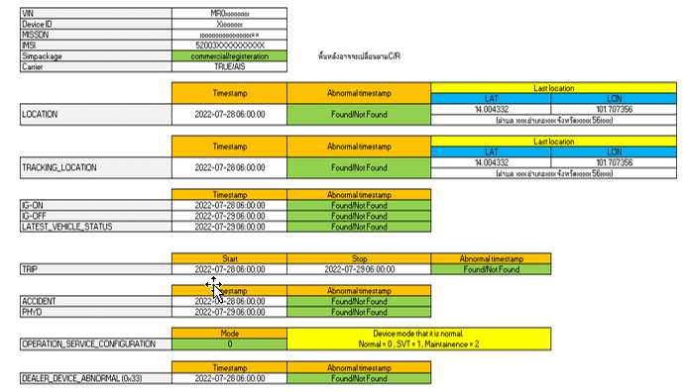
 |  |  | To check the IMSI for matching with carrier description (No. 17) |  |  | IMSI
2 | [Table] com-ACT_SIM_Package | DynamoDB | Must be commercial To check if the sim is commercial yet | Not commercial package so need to escalate to SE | Match / Not match | Sim package
4 | [Table] com-LOCATION | DynamoDB | To check if the latest location date match the customer's information and No invalid timestamp. Note: In case found one, ITO will process to delete. | 1. Not found location data --> May be still be R-Package 2. No latest update for long time due connection issue (Match carrier check no.17) 3. Wrong timestamp 4. Wrong GPS location (out of range) 5. CAL flag shows "I" | Match / Not match | 4.1. Show abnormal tmestamp 4.2 'Last location is 2022-02-27 00:36:06 TH | found abnormal timestamp 2106 but don’t need to delete because lost connection. Last location is 2022-02-27 00:36:06 TH
5 |  | DynamoDB | To check if Lat Long in the log look normal or not. Note: If normal, it would be changes from time to time, not repeat. pls noted that if vehicle is in no GPS signal area (ex. In the building, Basement), it will send latest GPS location all the time until it capture GPS signal. Lat, Lon value still in the range. (Lat : 0-90. Lon : 0-180) | - Device works abnormally - Customer have not used the car since latest updated date. (Relate to acceptable period and match customer's information) | Match / Not match | Latest LAT,LON at 14.578803, 100.475672 (334 ตำบล บ้านอิฐ อำเภอเมืองอ่างทอง อ่างทอง 14000) | GPS normal,
6 | Find My Car location update | Find My Car website | To check the latest update location and date of car in Find My Car function which should match the location teble |  |  | For attached image
7 | [Table] com-TRACKING_LOCATION | DynamoDB | To only check if there is any invalid timestamp or not as this table will only be updated when SVT mode on. Note: In case found one, ITO will process to delete. | - Device works abnormally Note: If no updated data after turn on SVT mode, device may already transited to sleep mode (3 days after last connection) | Not found / have invalid time stamp | 7.1 show found invalid timestamp 7.2 Tracking LAT,LON at 14.578803, 100.475672 (334 ตำบล บ้านอิฐ อำเภอเมืองอ่างทอง อ่างทอง 14000)
 |  | DynamoDB | To check if Lat Long in the log look normal or not. Note: If normal, it would be changes from time to time, not repeat. pls noted that if vehicle is in no GPS signal area (ex. In the building, Basement), it will send latest GPS location all the time until it capture GPS signal. Lat, Lon value still in the range. (Lat : 0-90. Lon : 0-180) | - Device works abnormally - Customer have not used the car since latest updated date. (Relate to acceptable period and match customer's information) | Match / Not match | Latest LAT,LON at 14.578803, 100.475672 (334 ตำบล บ้านอิฐ อำเภอเมืองอ่างทอง อ่างทอง 14000) | Tracking location has no
10 | [Table] com-IG_ON | DynamoDB | To check if the latest date of IG On match the customer's information and location information and No abnormal timestamp. Note: In case found one, ITO will process to delete. | - Device works abnormally - Customer have not used the car since latest updated date. (Relate to acceptable period and match customer's information) | Match / Not match | 10.1 show found invalid timestamp 10.2 ig on LAT,LON at 14.578803, 100.475672 (334 ตำบล บ้านอิฐ อำเภอเมืองอ่างทอง อ่างทอง 14000) | Last IG on is 2022-02-26 23:06:05 TH
11 | [Table] com-IG_OFF | DynamoDB | To check if the latest date of IG Off match the customer's information and location information and No abnormal timestamp. Note: In case found one, ITO will process to delete. | - Device works abnormally - Customer have not used the car since latest updated date. (Relate to acceptable period and match customer's information) | Match / Not match | 11.1 show found invalid timestamp 11.2 ig off LAT,LON at 14.578803, 100.475672 (334 ตำบล บ้านอิฐ อำเภอเมืองอ่างทอง อ่างทอง 14000) | Found abnormal timestamp 2106 but don’t need to delete because lost connection. Last IG off is 2022-02-27 00:36:55 TH
12 | [Table] com-LATEST_VEHICLE_STATUS | DynamoDB | To only check if there is any invalid timestamp or not and must match with IG-Off Note: In case found one, ITO will process to delete. | - Device works abnormally - Customer have not used the car since latest updated date. (Relate to acceptable period and match customer's information) | Not found / have invalid time stamp | 12.1 show found invalid timestamp 12.2 Last VIN LAT,LON at 14.578803, 100.475672 (334 ตำบล บ้านอิฐ อำเภอเมืองอ่างทอง อ่างทอง 14000) | LATEST VEHICLE STATUS is 2022-02-27 00:36:55 TH
13 | [Table] com-TRIP | DynamoDB | To only check if there is any invalid timestamp or not and must with IG-Off Note: In case found one, ITO will process to delete. | - Device works abnormally | Not found / have invalid time stamp | Show latest trip ID and convert to timestamp start-stop | Last Trip ID is 2022-02-26 23:06:05 TH and 2022-02-27 00:36:55 TH
14 | [Table] com-ACCIDENT | DynamoDB | To only check if there is any invalid timestamp or not | - Device works abnormally | Not found / have invalid time stamp | tmestamp and G value | Accident has no
15 | [Table] com-PHYD | DynamoDB | To only check if there is any invalid timestamp or not | - Device works abnormally | Not found / have invalid time stamp | 15.1 show found invalid timestamp 15.2 Tracking LAT,LON at 14.578803, 100.475672 (334 ตำบล บ้านอิฐ อำเภอเมืองอ่างทอง อ่างทอง 14000) | Last PHYD on is 2022-02-27 00:36:04 TH
16 | Check vehicle info. | T-Connect website | To check the vehicle information such as Mileage, Fuel and Vehicle status |  |  | For attached image
17 | com-PRECNV_CONFIGURATION (0x81) | Cloudwatch (More in detail/ Evidence) | To check connection between device and server. It must relate with IG on data. | - Connection issue - Device issue | Match / Not match or lost for more than 7 days | Found device and server last connection at 2022-02-27 00:37:02 TH (on cloud watch)
18 | Carrier Description | Carrier Portal | To check if the IMSI matches |  |  | For attached image
 | Connection activity |  | To check the activity of connnection Add example of normal display (the display show the same or not when engine on/off?) |  |  | For attached image | AIS portal found lost connection in the last 7 days.
 | Confirmation |  | To get the confirmation description from carrier side From issue ticket to carrier |  |  | For attached image | From the investigation past 30 days, we didn't find a log of IMSI:520039300183452 connected to the network. Please check the customer's equipment.
19 | [Table] com-OPERATION_SERVICE_CONFIGURATION | DynamoDB | To check device mode that it is normal. Normal = 0 SVT = 1 Maintainence = 2 blank = not match | - SVT mode - Maintainenance mode (OBD port / ECU remap) | Match (show = 0) | Show result normal / SVT / Maintenance / Not match
20 | DEALER_DEVICE_ABNORMAL (0x33) | Cloudwatch (More in detail/ Evidence) | To check GPS module log. If there is one in log, it can mean that device works abnormally at that time. | Device is working abnormally | Not found or Long time ago log / Found on the related period | For attached file | Device abnormal mode caputure=0 its mean working normal
 |  | DynamoDB | To only check if there is any invalid timestamp or not | Device is working abnormally |  | Found / not found

Original report
Check list |  |  |  |  |  |  |  | T-Connect Result
No | Table name | Server / Device | Purpose of checking | Example | ค่า OK | ค่า NG | Possible Causes of NG | Screen result | Check Result
1 | [Index] VIN-index (ACT_LDCM_DEVICE: LDCMID) | DynamoDB | To check if this VIN is L-DCM or not (MSISDN = phone number was encript) |  | Found | Not found | - Non L-DCM car - Incorrect SIM - Incorrect VIN | 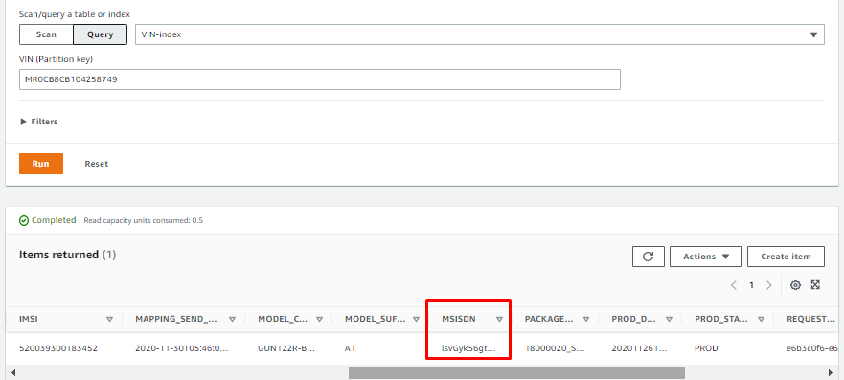 | MR0CB8CB104258749
 |  |  | To check the IMSI for matching with carrier description (No. 17) |  |  |  |  | 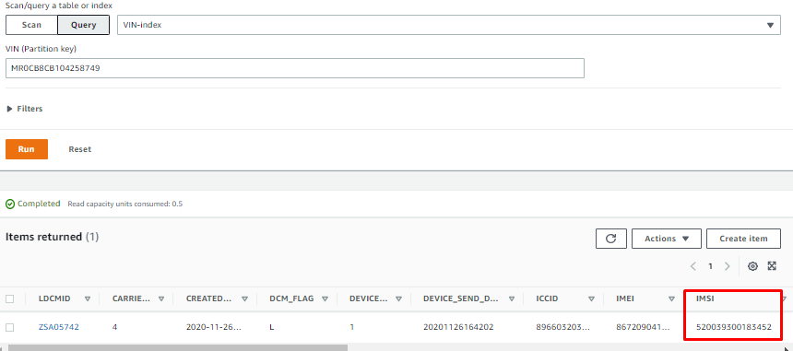
2 | [Table] com-ACT_SIM_Package | DynamoDB | Must be commercial To check if the sim is commercial yet |  | Match (Commercial) | Not match | Not commercial package so need to escalate to SE | 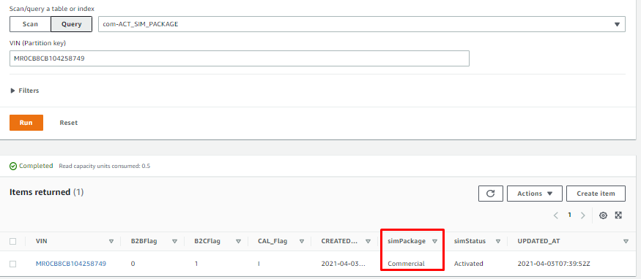
4 | [Table] com-LOCATION | DynamoDB | To check if the latest location date match the customer's information and No invalid timestamp. Note: In case found one, ITO will process to delete. |  | Match (No invalid timestamp) | Not match | 1. Not found location data --> May be still be R-Package 2. No latest update for long time due connection issue (Match carrier check no.17) 3. Wrong timestamp 4. Wrong GPS location (out of range) 5. CAL flag shows "I" | 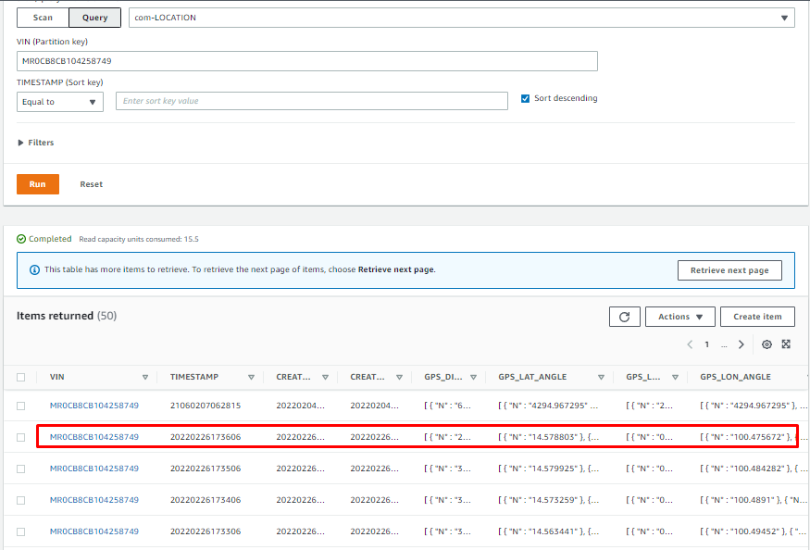 | found abnormal timestamp 2106 but don’t need to delete because lost connection. Last location is 2022-02-27 00:36:06 TH
5 |  | DynamoDB | To check if Lat Long in the log look normal or not. Note: If normal, it would be changes from time to time, not repeat. pls noted that if vehicle is in no GPS signal area (ex. In the building, Basement), it will send latest GPS location all the time until it capture GPS signal. Lat, Lon value still in the range. (Lat : 0-90. Lon : 0-180) | 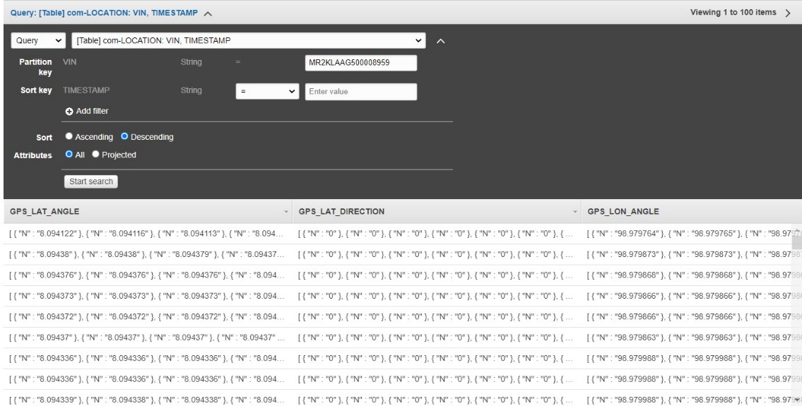 | Match | Not match | - Device works abnormally - Customer have not used the car since latest updated date. (Relate to acceptable period and match customer's information) |  | GPS normal, Latest LAT,LON at 14.578803, 100.475672 (334 ตำบล บ้านอิฐ อำเภอเมืองอ่างทอง อ่างทอง 14000)
6 | Find My Car location update | Find My Car website | To check the latest update location and date of car in Find My Car function which should match the location teble | 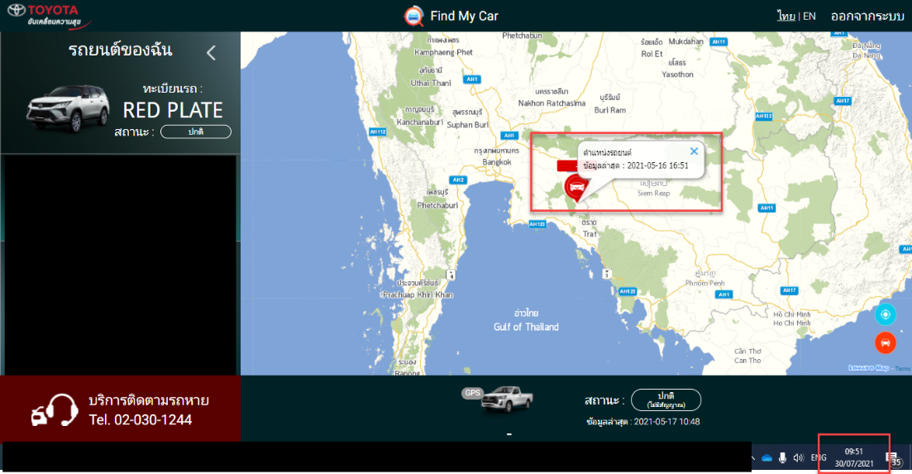 | Match | Not match | - device work normally (module sent data but incorrect)
7 | [Table] com-TRACKING_LOCATION | DynamoDB | To only check if there is any invalid timestamp or not as this table will only be updated when SVT mode on. Note: In case found one, ITO will process to delete. | 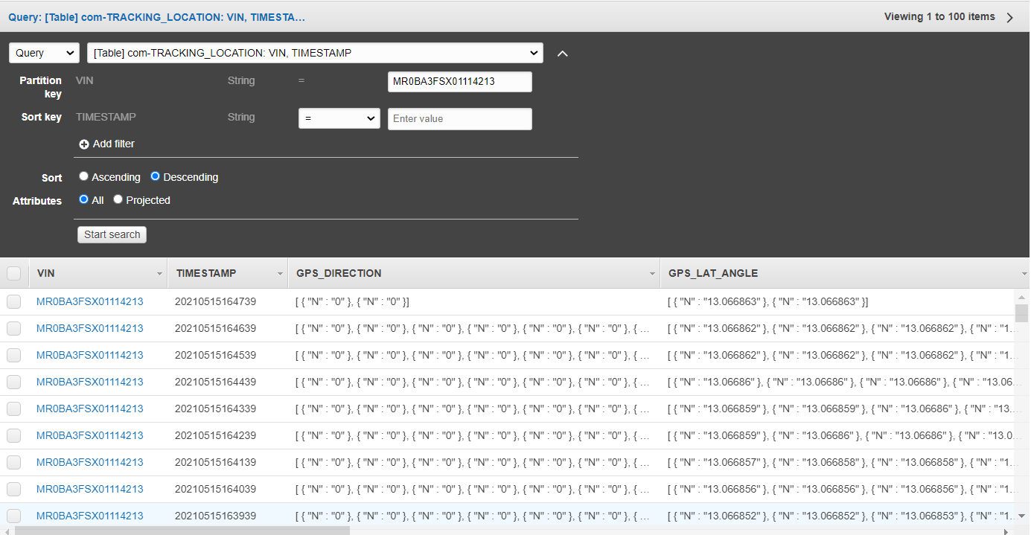 | Not found | Has invalid timestamp | - Device works abnormally Note: If no updated data after turn on SVT mode, device may already transited to sleep mode (3 days after last connection) | 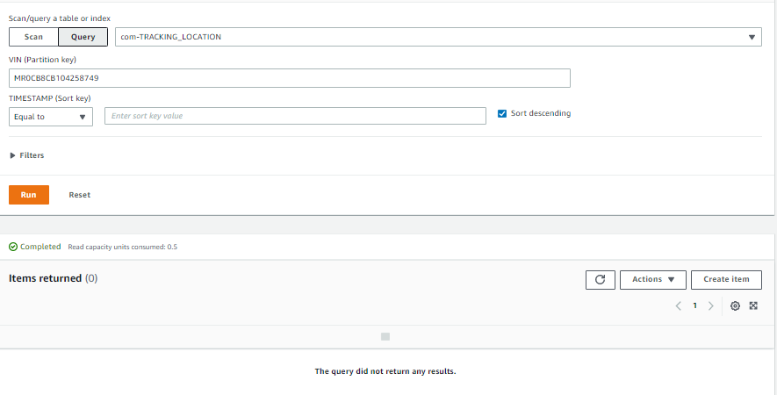 | Tracking location has no
 |  | DynamoDB | To check if Lat Long in the log look normal or not. Note: If normal, it would be changes from time to time, not repeat. pls noted that if vehicle is in no GPS signal area (ex. In the building, Basement), it will send latest GPS location all the time until it capture GPS signal. Lat, Lon value still in the range. (Lat : 0-90. Lon : 0-180) | 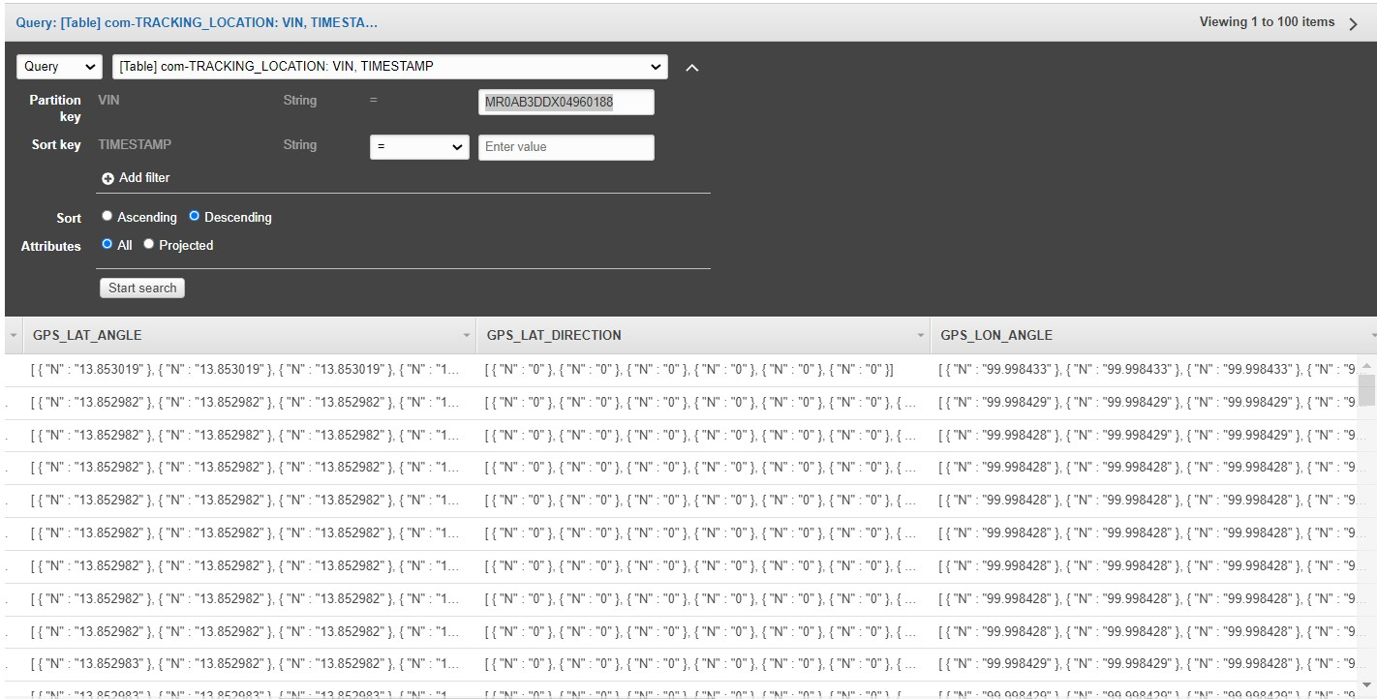 | Match | Not match | - Device works abnormally - Customer have not used the car since latest updated date. (Relate to acceptable period and match customer's information) |  | Tracking location has no
10 | [Table] com-IG_ON | DynamoDB | To check if the latest date of IG On match the customer's information and location information and No abnormal timestamp. Note: In case found one, ITO will process to delete. | 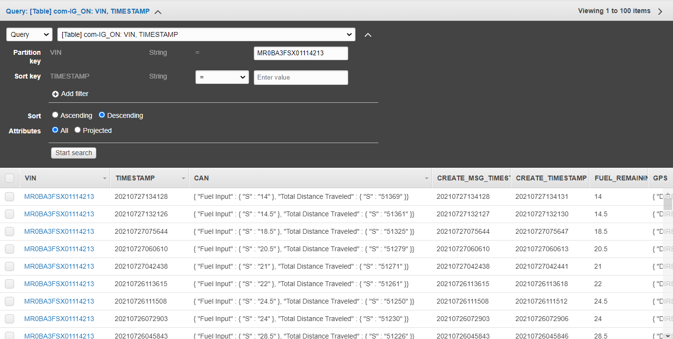 | Match | Not match | - Device works abnormally - Customer have not used the car since latest updated date. (Relate to acceptable period and match customer's information) | 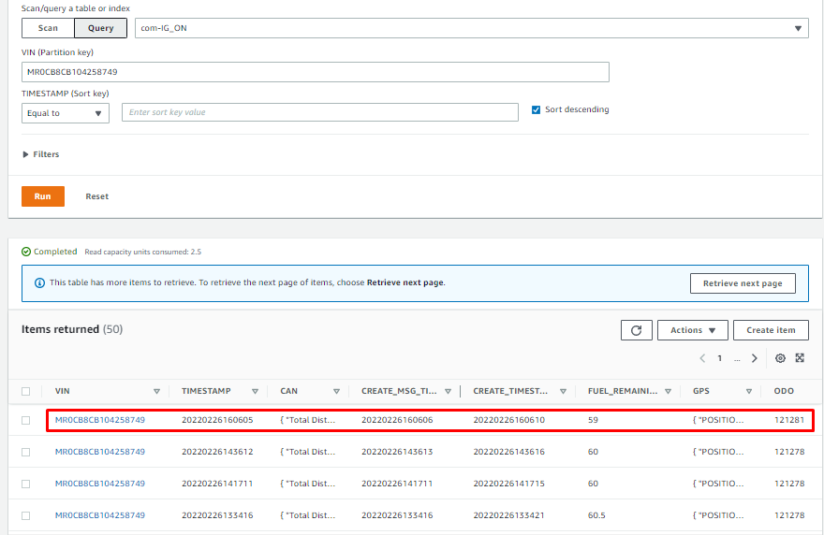 | Last IG on is 2022-02-26 23:06:05 TH
11 | [Table] com-IG_OFF | DynamoDB | To check if the latest date of IG Off match the customer's information and location information and No abnormal timestamp. Note: In case found one, ITO will process to delete. |  | Match | Not match | - Device works abnormally - Customer have not used the car since latest updated date. (Relate to acceptable period and match customer's information) | 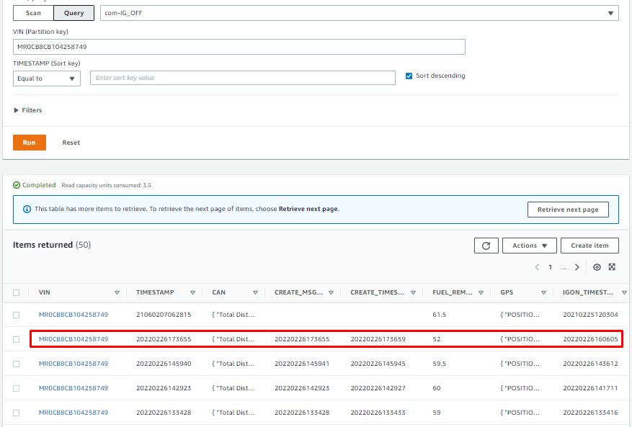 | Found abnormal timestamp 2106 but don’t need to delete because lost connection. Last IG off is 2022-02-27 00:36:55 TH
12 | [Table] com-LATEST_VEHICLE_STATUS | DynamoDB | To only check if there is any invalid timestamp or not and must match with IG-Off Note: In case found one, ITO will process to delete. |  | Not found | Has invalid timestamp | - Device works abnormally - Customer have not used the car since latest updated date. (Relate to acceptable period and match customer's information) | 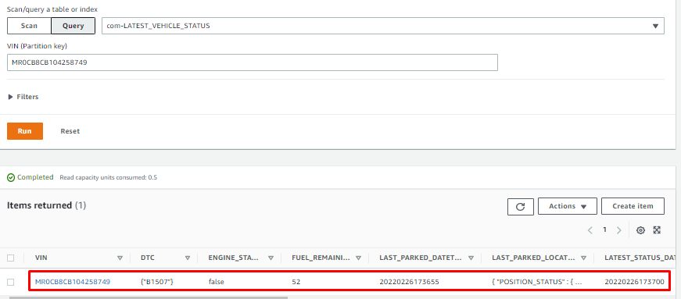 | LATEST VEHICLE STATUS is 2022-02-27 00:36:55 TH
13 | [Table] com-TRIP | DynamoDB | To only check if there is any invalid timestamp or not and must with IG-Off Note: In case found one, ITO will process to delete. |  | Not found | Has invalid timestamp | - Device works abnormally | 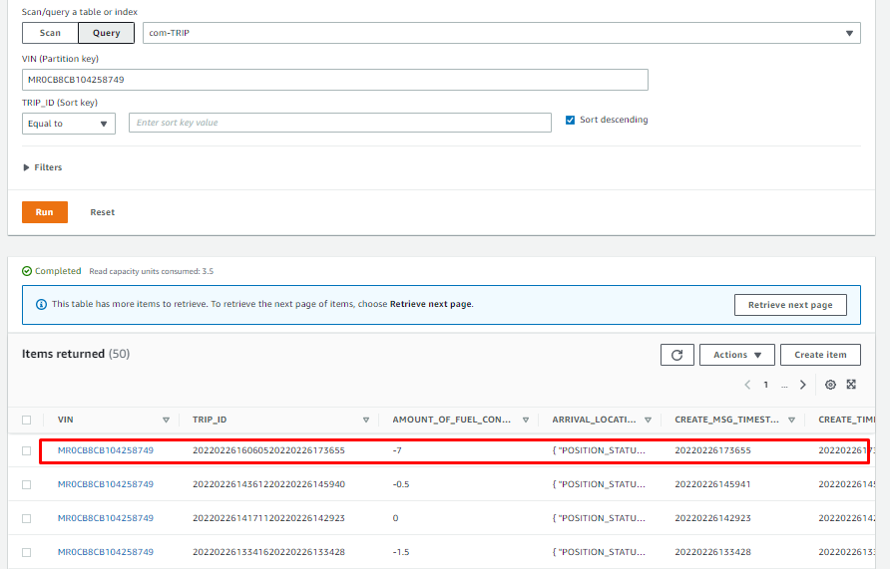 | Last Trip ID is 2022-02-26 23:06:05 TH and 2022-02-27 00:36:55 TH
14 | [Table] com-ACCIDENT | DynamoDB | To only check if there is any invalid timestamp or not |  | Not found | Has invalid timestamp | - Device works abnormally | 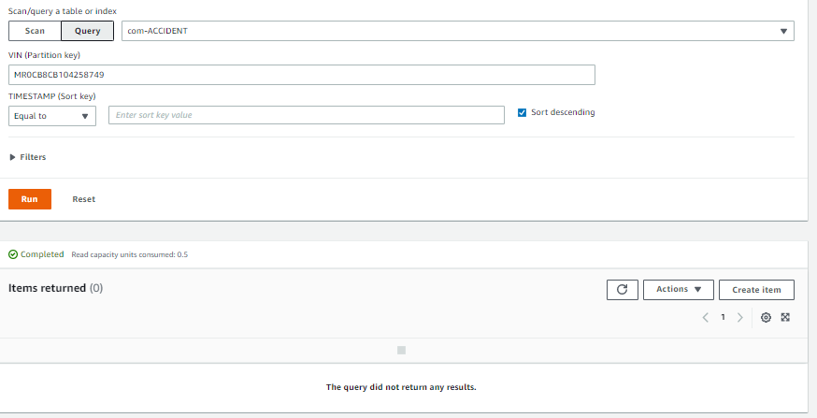 | Accident has no
15 | [Table] com-PHYD | DynamoDB | To only check if there is any invalid timestamp or not |  | Not found | Has invalid timestamp | - Device works abnormally | 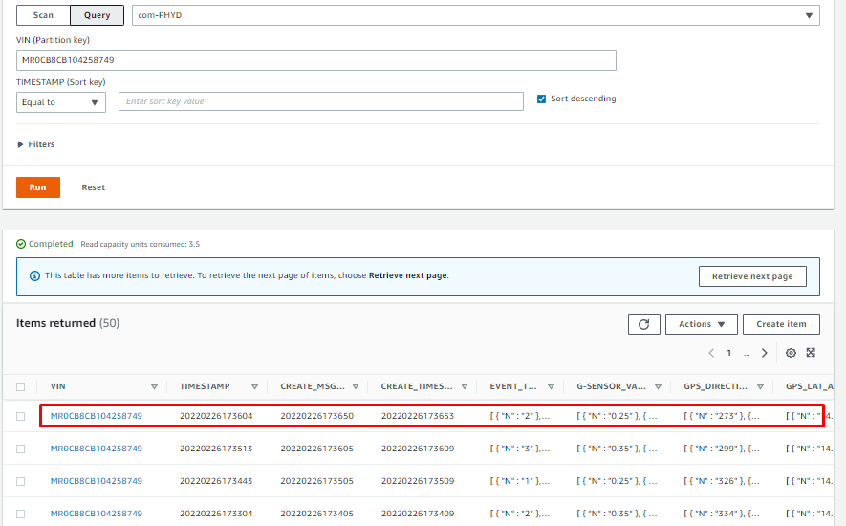 | Last PHYD on is 2022-02-27 00:36:04 TH
16 | Check vehicle info. | T-Connect website | To check the vehicle information such as Mileage, Fuel and Vehicle status | 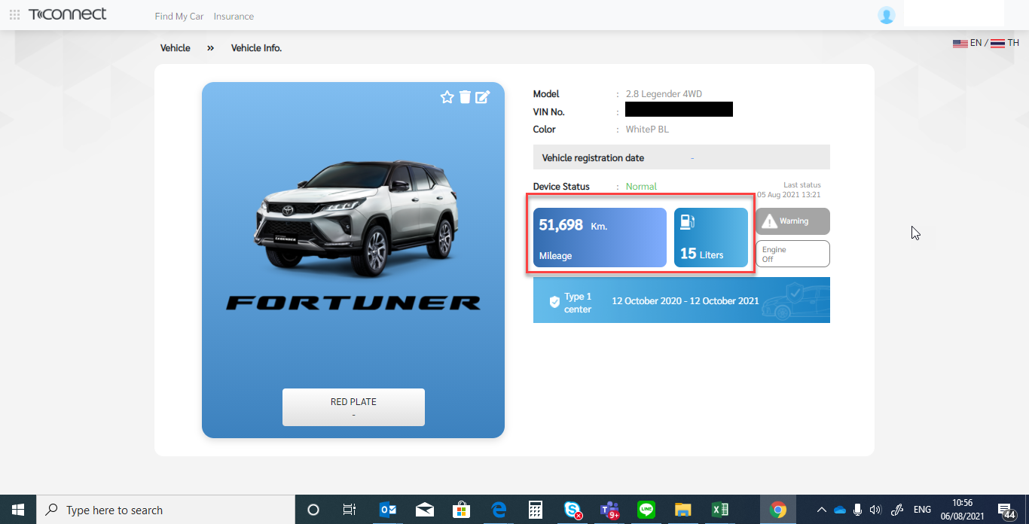 | Match | Not match | - Device work normally
17 | com-PRECNV_CONFIGURATION (0x81) | Cloudwatch (More in detail/ Evidence) | To check connection between device and server. It must relate with IG on data. | 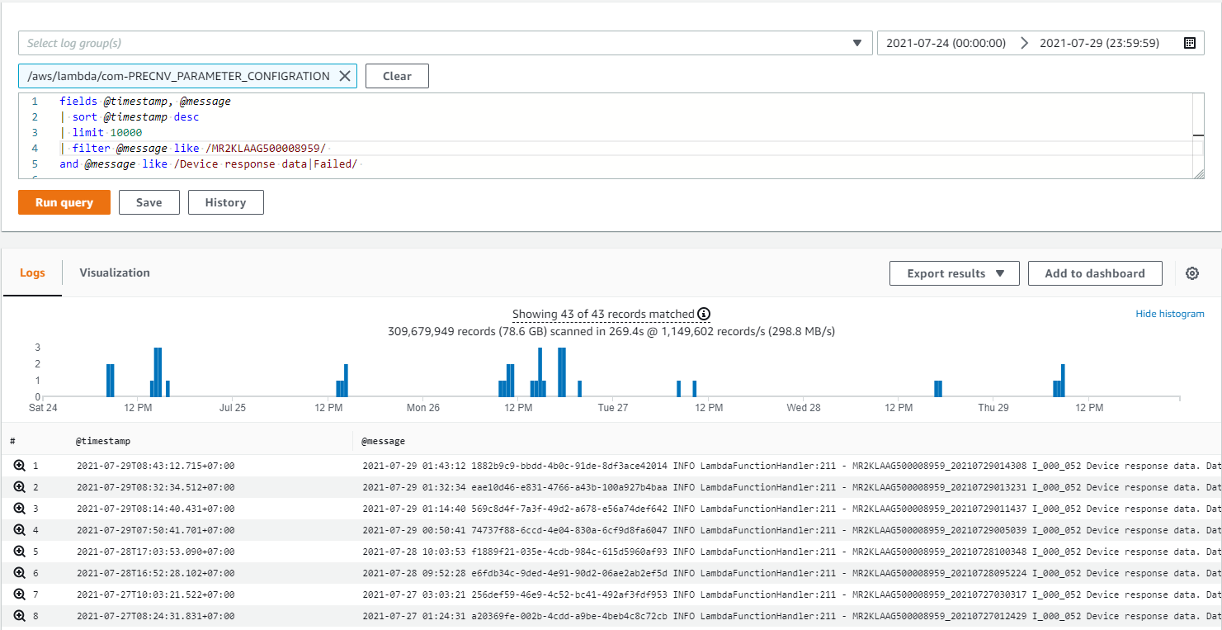 | Match | Not match / lost for more than 7 days | - Connection issue - Device issue | 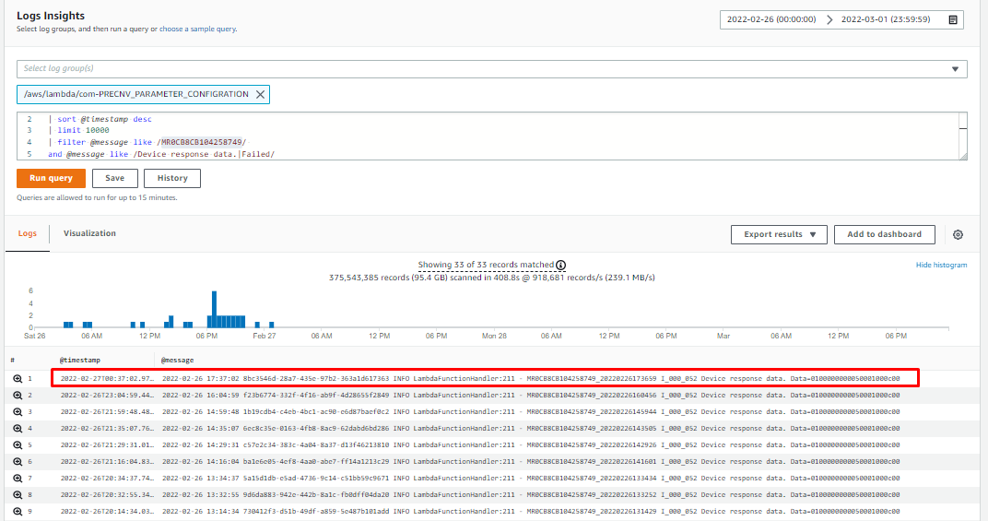 | Found device and server last connection at 2022-02-27 00:37:02 TH
18 | Carrier Description | Carrier Portal | To check if the IMSI matches | 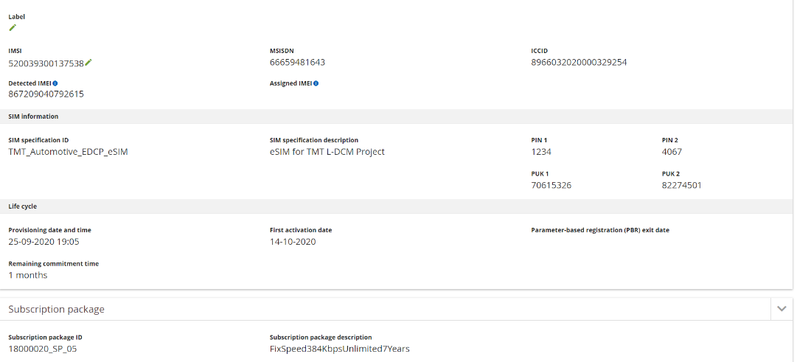 | Match | Not match | - incorrect vehicles need to recheck | 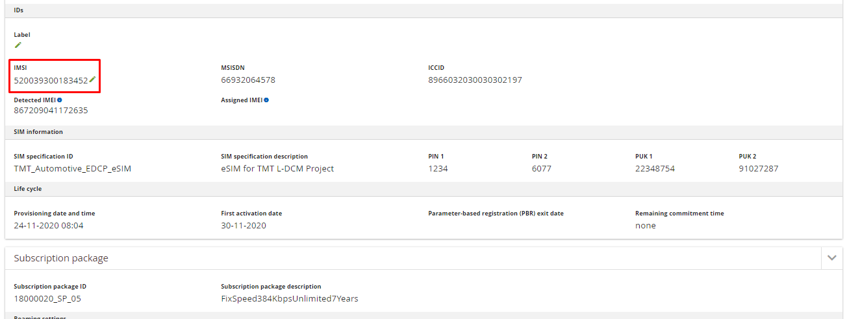
 | Connection activity |  | To check the activity of connnection Add example of normal display (the display show the same or not when engine on/off?) |  | Found stable | Found unstable / obivous lost | - Connection issue - Device issue Need Carrier confirmation |  | AIS portal found lost connection in the last 7 days.
 | Confirmation |  | To get the confirmation description from carrier side From issue ticket to carrier |  |  |  |  |  | From the investigation past 30 days, we didn't find a log of IMSI:520039300183452 connected to the network. Please check the customer's equipment.
19 | [Table] com-OPERATION_SERVICE_CONFIGURATION | DynamoDB | To check device mode that it is normal. Normal = 0 SVT = 1 Maintainence = 2 |  | Match (show = 0) | Not match | - SVT mode - Maintainenance mode (OBD port / ECU remap) | 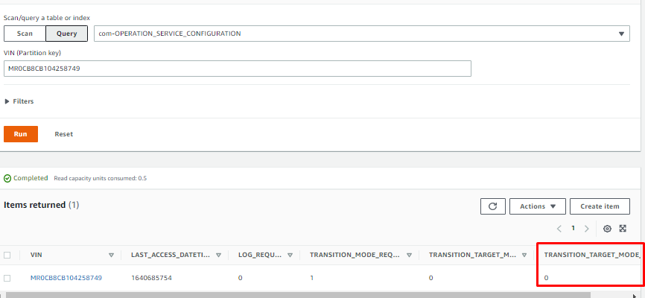 | No SVT
20 | DEALER_DEVICE_ABNORMAL (0x33) | Cloudwatch (More in detail/ Evidence) | To check GPS module log. If there is one in log, it can mean that device works abnormally at that time. | 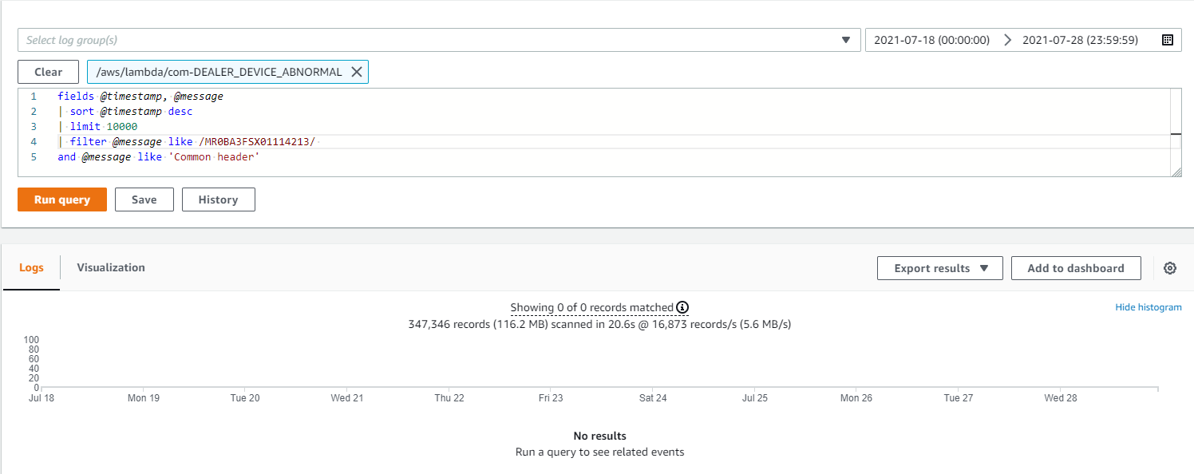 | Not found / Long time ago log | Found on the related period | Device is working abnormally | 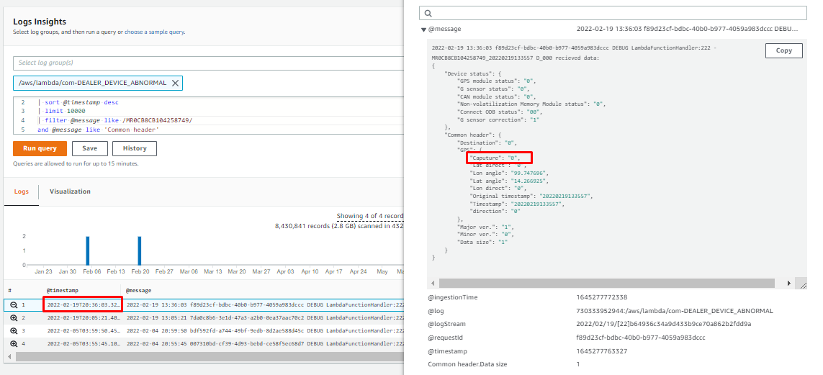 | Device abnormal mode caputure=0 its mean working normal
 |  | DynamoDB | To only check if there is any invalid timestamp or not |  | Not found invalid timestamp | Has invalid timestamp | Device is working abnormally | 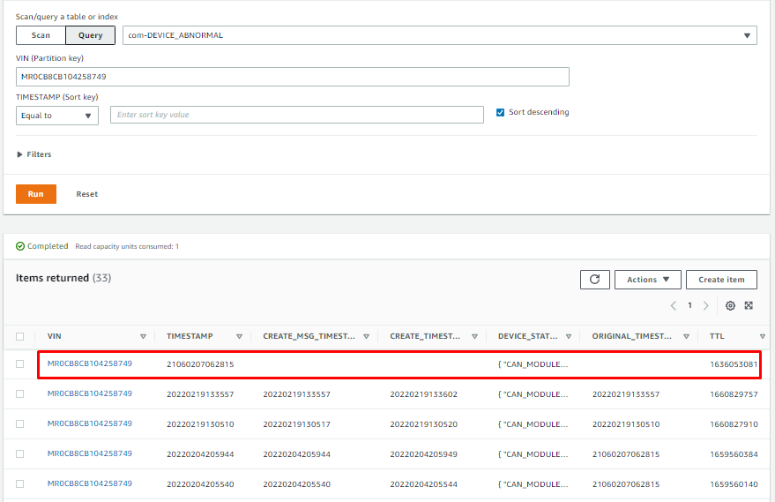 | Found abnormal timestamp 2106 but don’t need to delete because lost connection.

GENERAL_SERVICE(0x21)
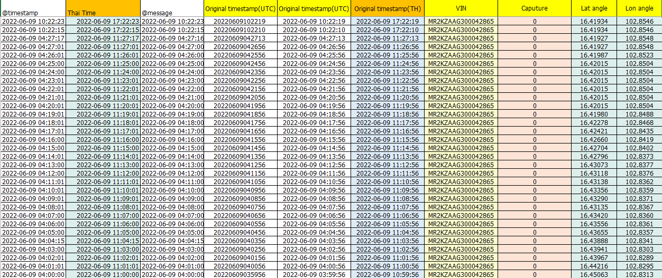
Report | GENERAL_SERVICE(0x21) | DEVICE_ABNORMAL(0x33) | PARAMETER_CONFIGURATION(0x81) | NOTIFY_SPECIAL_MODE(0x35) | DEALER WARNING

DEVICE_ABNORMAL(0x33)
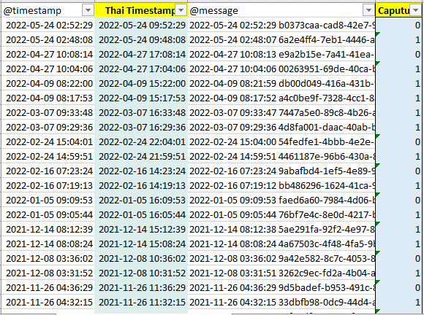
Report | GENERAL_SERVICE(0x21) | DEVICE_ABNORMAL(0x33) | PARAMETER_CONFIGURATION(0x81) | NOTIFY_SPECIAL_MODE(0x35) | DEALER WARNING

NOTIFY_SPECIAL_MODE(0x35)
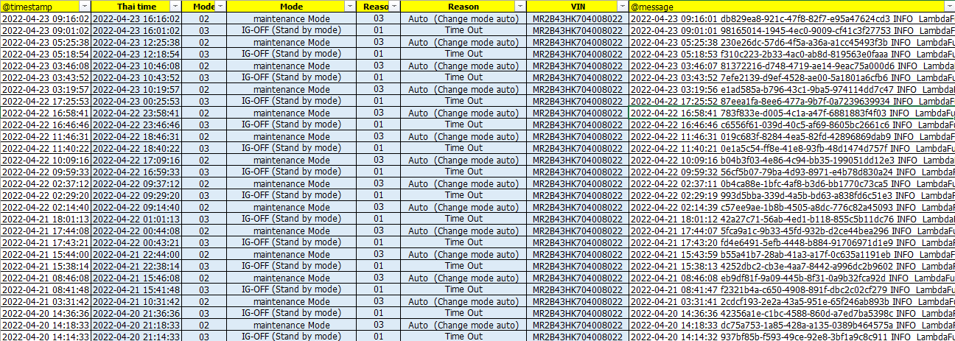
Report | GENERAL_SERVICE(0x21) | DEVICE_ABNORMAL(0x33) | PARAMETER_CONFIGURATION(0x81) | NOTIFY_SPECIAL_MODE(0x35) | DEALER WARNING

DEALER WARNING
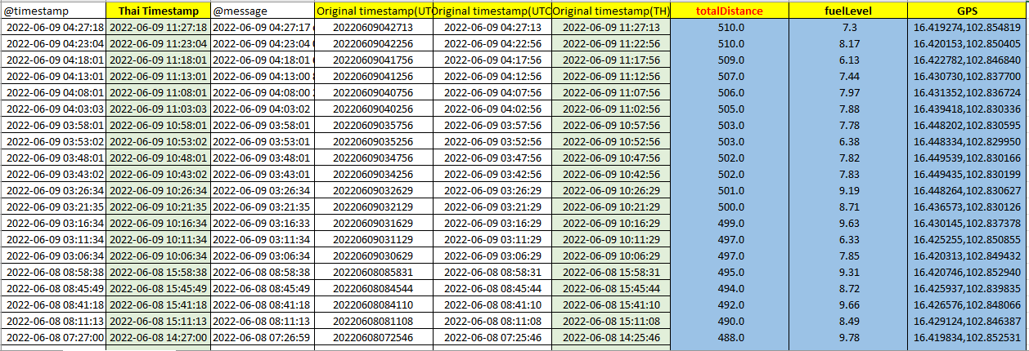
Report | GENERAL_SERVICE(0x21) | DEVICE_ABNORMAL(0x33) | PARAMETER_CONFIGURATION(0x81) | NOTIFY_SPECIAL_MODE(0x35) | DEALER WARNING

